Sheet1
https://en.wikipedia.org/wiki/List_of_parishes_in_Louisiana

Listing[edit]

Parish | FIPS code[4] | Parish seat[5] | Est.[5] | Origin | Etymology[6] | Population[5] | Area[5] | Map

Acadia Parish | 1 | Crowley | 1886 | from part of St. Landry Parish. | From Acadian French. Named for the Acadians who settled the area. | 62,045 | 658 sq mi | 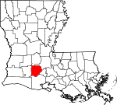
 |  |  |  |  |  |  | (1,704 km2)

Allen Parish | 3 | Oberlin | 1912 | from part of Calcasieu Parish. | Henry Watkins Allen, the Confederate governor of Louisiana | 25,627 | 766 sq mi | 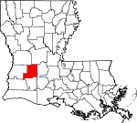
 |  |  |  |  |  |  | (1,984 km2)

Ascension Parish | 5 | Donaldsonville | 1807 | One of the original 19 parishes. | Named for the Ascension of Our Lord Catholic Church in Donaldsonville, Louisiana, which was named after the Ascension of Jesus into Heaven | 126,604 | 303 sq mi | 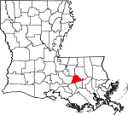
 |  |  |  |  |  |  | (785 km2)

Assumption Parish | 7 | Napoleonville | 1807 | One of the original 19 parishes. | Named for the Assumption Roman Catholic Church, the oldest in the state, which was named after the Assumption of the Virgin Mary | 21,891 | 364 sq mi | 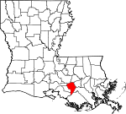
 |  |  |  |  |  |  | (943 km2)

Avoyelles Parish | 9 | Marksville | 1807 | One of the original 19 parishes. | The Avoyel Native American people | 40,144 | 866 sq mi | 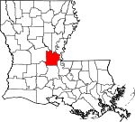
 |  |  |  |  |  |  | (2,243 km2)

Beauregard Parish | 11 | DeRidder | 1912 | from part of Calcasieu Parish. | Confederate general P. G. T. Beauregard | 37,497 | 1,166 sq mi | 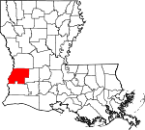
 |  |  |  |  |  |  | (3,020 km2)

Bienville Parish | 13 | Arcadia | 1848 | from part of Claiborne Parish. | Named after the founder of the city of New Orleans, Jean-Baptiste Le Moyne de Bienville | 13,241 | 822 sq mi | 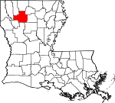
 |  |  |  |  |  |  | (2,129 km2)

Bossier Parish | 15 | Benton | 1843 | from part of Claiborne Parish. | U.S. Representative Pierre Bossier | 127,039 | 867 sq mi | 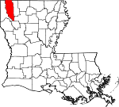
 |  |  |  |  |  |  | (2,246 km2)

Caddo Parish | 17 | Shreveport | 1838 | from part of Natchitoches Parish. | From Caddo. Named for the Caddo Native American people | 240,204 | 937 sq mi | 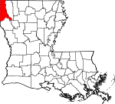
 |  |  |  |  |  |  | (2,427 km2)

Calcasieu Parish | 19 | Lake Charles | 1840 | from part of St. Landry Parish. | From Atakapa Calcasieu, meaning crying eagle, is said to be the name of an Atakapa Native American leader | 203,436 | 1,094 sq mi | 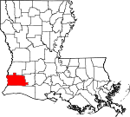
 |  |  |  |  |  |  | (2,833 km2)

Caldwell Parish | 21 | Columbia | 1838 | from part of Catahoula Parish and Ouachita Parish. | Named for the Caldwell family, which owned a large plantation and remains politically active in the state. | 9,918 | 541 sq mi | 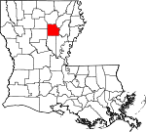
 |  |  |  |  |  |  | (1,401 km2)

Cameron Parish | 23 | Cameron | 1870 | from parts of Calcasieu Parish and Vermilion Parish. | U.S. Secretary of War Simon Cameron | 6,973 | 1,932 sq mi | 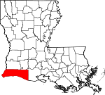
 |  |  |  |  |  |  | (5,004 km2)

Catahoula Parish | 25 | Harrisonburg | 1808 | from parts of Ouachita Parish and Rapides Parish. | Catahoula Lake, formerly within the parish's boundaries and named from a Taensa/Natchez word meaning big, clear lake | 9,494 | 739 sq mi | 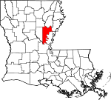
 |  |  |  |  |  |  | (1,914 km2)

Claiborne Parish | 27 | Homer | 1828 | from part of Natchitoches Parish. | Governor of Louisiana William C. C. Claiborne | 15,670 | 768 sq mi | 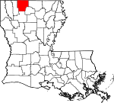
 |  |  |  |  |  |  | (1,989 km2)

Concordia Parish | 29 | Vidalia | 1807 | One of the original 19 parishes. | Name is of uncertain origin; may be from an early land grant called New Concordia, from the "concord" reached by local authorities over a mutual surrender of slaves or for a mansion called Concord which was owned by Spanish Governor Manuel Gayoso de Lemos | 19,259 | 749 sq mi | 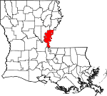
 |  |  |  |  |  |  | (1,940 km2)

DeSoto Parish | 31 | Mansfield | 1843 | from parts of Caddo Parish and Natchitoches Parish. | Spanish explorer Hernando de Soto | 27,463 | 895 sq mi | 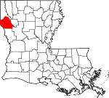
 |  |  |  |  |  |  | (2,318 km2)

East Baton Rouge Parish | 33 | Baton Rouge | 1810 | from West Florida territory. | French phrase bâton rouge meaning red stick. A red stick was used by local Native Americans to mark the boundaries between tribal territories | 440,059 | 471 sq mi | 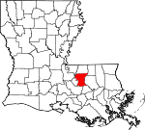
 |  |  |  |  |  |  | (1,220 km2)

East Carroll Parish | 35 | Lake Providence | 1877 | when Carroll Parish was divided. | Charles Carroll of Carrollton, the last surviving signer of the U.S. Declaration of Independence | 6,861 | 442 sq mi | 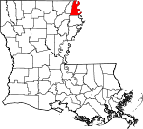
 |  |  |  |  |  |  | (1,145 km2)

East Feliciana Parish | 37 | Clinton | 1824 | when Feliciana Parish was divided. | Felicite de Gálvez, the wife of Bernardo de Gálvez, a Spanish governor of Louisiana (New Spain) | 19,135 | 456 sq mi | 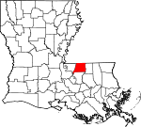
 |  |  |  |  |  |  | (1,181 km2)

Evangeline Parish | 39 | Ville Platte | 1910 | from part of St. Landry Parish. | Acadian heroine of the poem "Evangeline" by Henry Wadsworth Longfellow | 33,395 | 680 sq mi | 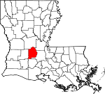
 |  |  |  |  |  |  | (1,761 km2)

Franklin Parish | 41 | Winnsboro | 1843 | from parts of Carroll Parish, Catahoula Parish, Madison Parish and Ouachita Parish | Founding Father Benjamin Franklin | 20,015 | 636 sq mi | 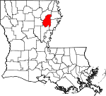
 |  |  |  |  |  |  | (1,647 km2)

Grant Parish | 43 | Colfax | 1869 | from parts of Rapides Parish and Winn Parish. | U.S. President Ulysses S. Grant | 22,389 | 664 sq mi | 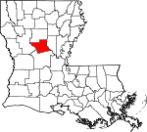
 |  |  |  |  |  |  | (1,720 km2)

Iberia Parish | 45 | New Iberia | 1868 | from parts of St. Martin Parish and St. Mary Parish. | Named by Spanish settlers in honor of the Iberian Peninsula | 69,830 | 1,031 sq mi | 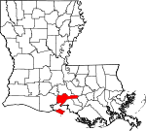
 |  |  |  |  |  |  | (2,670 km2)

Iberville Parish | 47 | Plaquemine | 1807 | One of the original 19 parishes. | Explorer Pierre Le Moyne d'Iberville, the brother of Jean-Baptiste Le Moyne de Bienville | 32,511 | 653 sq mi | 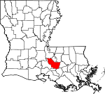
 |  |  |  |  |  |  | (1,691 km2)

Jackson Parish | 49 | Jonesboro | 1845 | from parts of Claiborne Parish, Ouachita Parish and Union Parish | U.S. President Andrew Jackson | 15,744 | 580 sq mi | 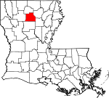
 |  |  |  |  |  |  | (1,502 km2)

Jefferson Parish | 51 | Gretna | 1825 | from part of Orleans Parish | Founding Father Thomas Jefferson | 432,493 | 642 sq mi | 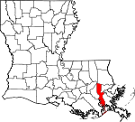
 |  |  |  |  |  |  | (1,663 km2)

Jefferson Davis Parish | 53 | Jennings | 1912 | from part of Calcasieu Parish. | Jefferson Davis, president of the Confederate States of America | 31,368 | 659 sq mi | 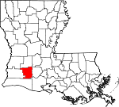
 |  |  |  |  |  |  | (1,707 km2)

Lafayette Parish | 55 | Lafayette | 1823 | from part of St. Martin Parish. | French-born American Revolutionary War hero, the Marquis de Lafayette | 244,390 | 270 sq mi | 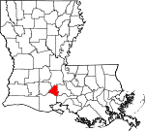
 |  |  |  |  |  |  | (699 km2)

Lafourche Parish | 57 | Thibodaux | 1807 | One of the original 19 parishes. Was named Interior Parish until 1812 and Lafourche Interior Parish until 1853. | French phrase la fourche or in English, the fork; Bayou Lafourche, or Fork Bayou, is a fork of the Mississippi River | 97,614 | 1,472 sq mi | 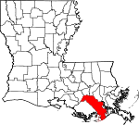
 |  |  |  |  |  |  | (3,812 km2)

LaSalle Parish | 59 | Jena | 1910 | from west half of Catahoula Parish. | Explorer René-Robert Cavelier, Sieur de La Salle | 14,892 | 663 sq mi | 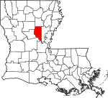
 |  |  |  |  |  |  | (1,717 km2)

Lincoln Parish | 61 | Ruston | 1873 | from parts of Bienville Parish, Claiborne Parish, Jackson Parish and Union Parish. | U.S. President Abraham Lincoln | 46,742 | 472 sq mi | 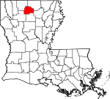
 |  |  |  |  |  |  | (1,222 km2)

Livingston Parish | 63 | Livingston | 1832 | from part of St. Helena Parish. | U.S. Secretary of State Edward Livingston, brother of Robert R. Livingston who negotiated the Louisiana Purchase | 140,789 | 703 sq mi | 
 |  |  |  |  |  |  | (1,821 km2)

Madison Parish | 65 | Tallulah | 1838 | from Concordia Parish. | U.S. President James Madison | 10,951 | 651 sq mi | 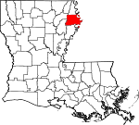
 |  |  |  |  |  |  | (1,686 km2)

Morehouse Parish | 67 | Bastrop | 1844 | from parts of Carroll Parish and Ouachita Parish. | Abraham Morehouse, who led the first settlers into the region | 24,874 | 805 sq mi | 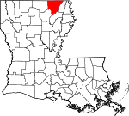
 |  |  |  |  |  |  | (2,085 km2)

Natchitoches Parish | 69 | Natchitoches | 1807 | One of the original 19 parishes. | The Natchitoches Native American people | 38,158 | 1,299 sq mi | 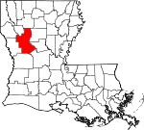
 |  |  |  |  |  |  | (3,364 km2)

Orleans Parish | 71 | New Orleans | 1807 | One of the original 19 parishes. Today coterminous with the City of New Orleans. | Named after Philippe, Duke of Orléans, the regent of France | 390,144 | 350 sq mi | 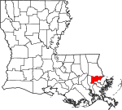
 |  |  |  |  |  |  | (906 km2)

Ouachita Parish | 73 | Monroe | 1807 | One of the original 19 parishes. | The Ouachita Native American people | 153,279 | 633 sq mi | 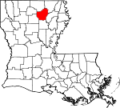
 |  |  |  |  |  |  | (1,639 km2)

Plaquemines Parish | 75 | Pointe à la Hache | 1807 | One of the original 19 parishes. | A word meaning persimmons created from the Louisiana Creole and the Atakapa language | 23,197 | 2,429 sq mi | 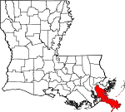
 |  |  |  |  |  |  | (6,291 km2)

Pointe Coupee Parish | 77 | New Roads | 1807 | One of the original 19 parishes. | French phrase la pointe coupée or in English, the cut-off point, which refers to a bend in the Mississippi River | 21,730 | 591 sq mi | 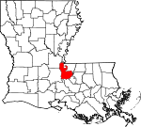
 |  |  |  |  |  |  | (1,531 km2)

Rapides Parish | 79 | Alexandria | 1807 | One of the original 19 parishes. | Named for local river rapids (French: rapides) | 129,648 | 1,362 sq mi | 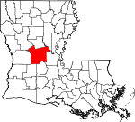
 |  |  |  |  |  |  | (3,528 km2)

Red River Parish | 81 | Coushatta | 1871 | from parts of Bienville Parish, Bossier Parish, Caddo Parish and Natchitoches Parish. | Named for the Red River, which is part of the Mississippi River watershed | 8,442 | 402 sq mi | 
 |  |  |  |  |  |  | (1,041 km2)

Richland Parish | 83 | Rayville | 1868 | from parts of Carroll Parish, Franklin Parish, Morehouse Parish and Ouachita Parish. | Named for its rich land | 20,122 | 564 sq mi | 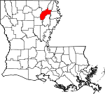
 |  |  |  |  |  |  | (1,461 km2)

Sabine Parish | 85 | Many | 1843 | from parts of Caddo Parish and Natchitoches Parish. | Named for the Sabine River and the so-called Sabine Free State | 23,884 | 1,012 sq mi | 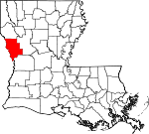
 |  |  |  |  |  |  | (2,621 km2)

St. Bernard Parish | 87 | Chalmette | 1807 | One of the original 19 parishes. | Saint Bernard, patron saint of Bernardo de Gálvez, the Spanish governor who granted land to the Canary Islanders settling the area in 1778 | 47,244 | 1,794 sq mi | 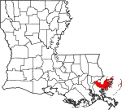
 |  |  |  |  |  |  | (4,646 km2)

St. Charles Parish | 89 | Hahnville | 1807 | One of the original 19 parishes. | Saint Charles | 53,100 | 410 sq mi | 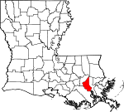
 |  |  |  |  |  |  | (1,062 km2)

St. Helena Parish | 91 | Greensburg | 1810 | from West Florida territory. | Saint Helena | 10,132 | 409 sq mi | 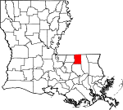
 |  |  |  |  |  |  | (1,059 km2)

St. James Parish | 93 | Convent | 1807 | One of the original 19 parishes. | Saint James the Great | 21,096 | 258 sq mi | 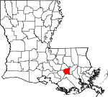
 |  |  |  |  |  |  | (668 km2)

St. John the Baptist Parish | 95 | Edgard | 1807 | One of the original 19 parishes. | Saint John the Baptist | 42,837 | 348 sq mi | 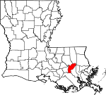
 |  |  |  |  |  |  | (901 km2)

St. Landry Parish | 97 | Opelousas | 1807 | One of the original 19 parishes. | Saint Landry of Paris | 82,124 | 939 sq mi | 
 |  |  |  |  |  |  | (2,432 km2)

St. Martin Parish | 99 | St. Martinville | 1807 | One of the original 19 parishes. | Saint Martin of Tours | 53,431 | 817 sq mi | 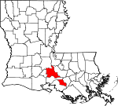
 |  |  |  |  |  |  | (2,116 km2)

St. Mary Parish | 101 | Franklin | 1811 | from part of St. Martin Parish. | Saint Mary | 49,348 | 612 sq mi | 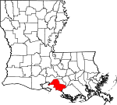
 |  |  |  |  |  |  | (1,585 km2)

St. Tammany Parish | 103 | Covington | 1810 | from West Florida territory. | Legendary Indian Chief Tamanend. | 260,419 | 1,124 sq mi | 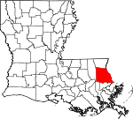
 |  |  |  |  |  |  | (2,911 km2)

Tangipahoa Parish | 105 | Amite City | 1869 | from parts of Livingston Parish, St. Helena Parish, St. Tammany Parish and Washington Parish. | Comes from an Acolapissa word meaning ear of corn or those who gather corn | 134,758 | 823 sq mi | 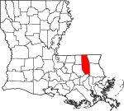
 |  |  |  |  |  |  | (2,132 km2)

Tensas Parish | 107 | St. Joseph | 1843 | from part of Concordia Parish. | The Taensa Native American people. | 4,334 | 641 sq mi | 
 |  |  |  |  |  |  | (1,660 km2)

Terrebonne Parish | 109 | Houma | 1822 | from part of Lafourche Interior Parish. | French phrase terre bonne or in English, good earth | 110,461 | 2,080 sq mi | 
 |  |  |  |  |  |  | (5,387 km2)

Union Parish | 111 | Farmerville | 1839 | from part of Ouachita Parish. | Named for the union of states which make up the U.S. | 22,108 | 905 sq mi | 
 |  |  |  |  |  |  | (2,344 km2)

Vermilion Parish | 113 | Abbeville | 1844 | from part of Lafayette Parish. | Both the Vermilion River and Vermilion Bay | 59,511 | 1,538 sq mi | 
 |  |  |  |  |  |  | (3,983 km2)

Vernon Parish | 115 | Leesville | 1871 | from parts of Natchitoches Parish, Rapides Parish and Sabine Parish. | Mount Vernon, the home of George Washington, the first U.S. President | 47,429 | 1,341 sq mi | 
 |  |  |  |  |  |  | (3,473 km2)

Washington Parish | 117 | Franklinton | 1819 | from part of St. Tammany Parish. | U.S. President George Washington | 46,194 | 676 sq mi | 
 |  |  |  |  |  |  | (1,751 km2)

Webster Parish | 119 | Minden | 1871 | from parts of Bienville Parish, Bossier Parish and Claiborne Parish. | U.S. Secretary of State Daniel Webster | 38,340 | 615 sq mi | 
 |  |  |  |  |  |  | (1,593 km2)

West Baton Rouge Parish | 121 | Port Allen | 1807 | One of the original 19 parishes. Was named Baton Rouge Parish until 1812. | French phrase bâton rouge meaning red stick. A red stick was used by local Native Americans to mark the boundaries between tribal territories | 26,465 | 203 sq mi | 
 |  |  |  |  |  |  | (526 km2)

West Carroll Parish | 123 | Oak Grove, West Carroll Parish | 1877 | when Carroll Parish was divided. | Charles Carroll of Carrollton, the last surviving signer of the U.S. Declaration of Independence | 10,830 | 360 sq mi | 
 |  |  |  |  |  |  | (932 km2)

West Feliciana Parish | 125 | St. Francisville | 1824 | when Feliciana Parish was divided. | Felicite de Gálvez, the wife of Bernardo de Gálvez, a Spanish governor of Louisiana (New Spain) | 15,568 | 426 sq mi | 
 |  |  |  |  |  |  | (1,103 km2)

Winn Parish | 127 | Winnfield | 1852 | from parts of Catahoula Parish, Natchitoches Parish and Rapides Parish. | Louisiana state legislator Walter Winn | 13,904 | 957 sq mi | 
 |  |  |  |  |  |  | (2,479 km2)

